Steps taken
1. Go to Data tab, and choose solver

2.Key in the solver parameters: set objective
a. define B17 in "Set Objective"
b. Make sure "Max" is chosen
c. For "By Changing Variable Cells": choose $B$10:$H$10

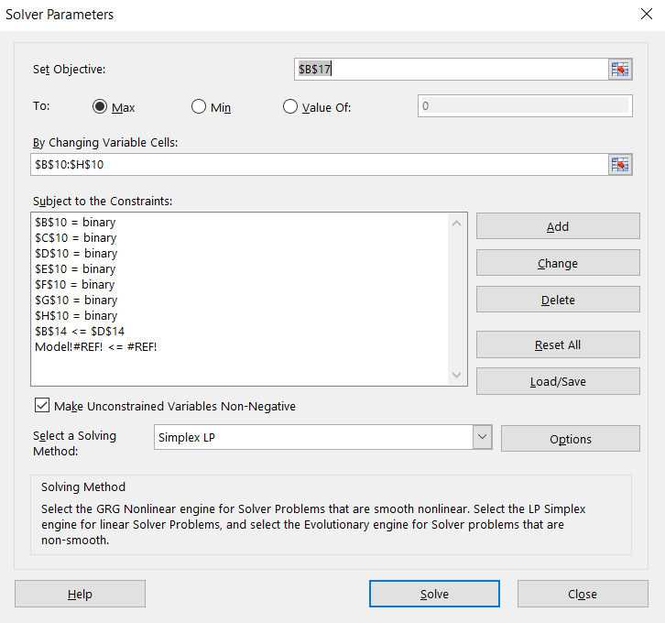
1

2

3

2. Key in Cost Constraint:
a. Click Add as shown in the figure above
b. add B14, and choose less than
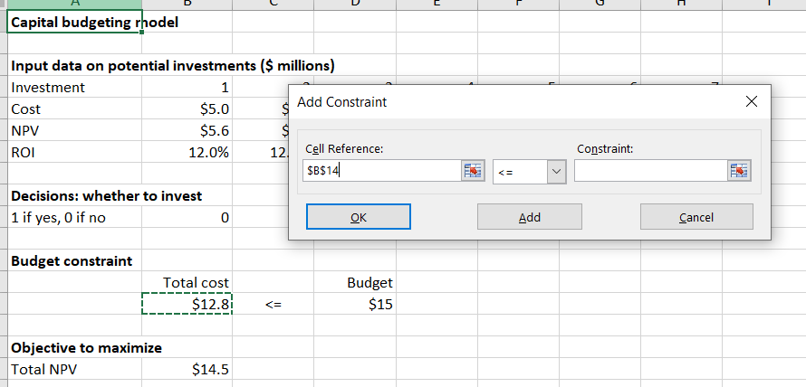

1
2

3

3. Key in variable constraint
a. Click Add as shown in the figure
b. choose binary
c. Perform this for B10, C10, D10, E10, F10, G10, H10

2

1

4. Follow the setting below
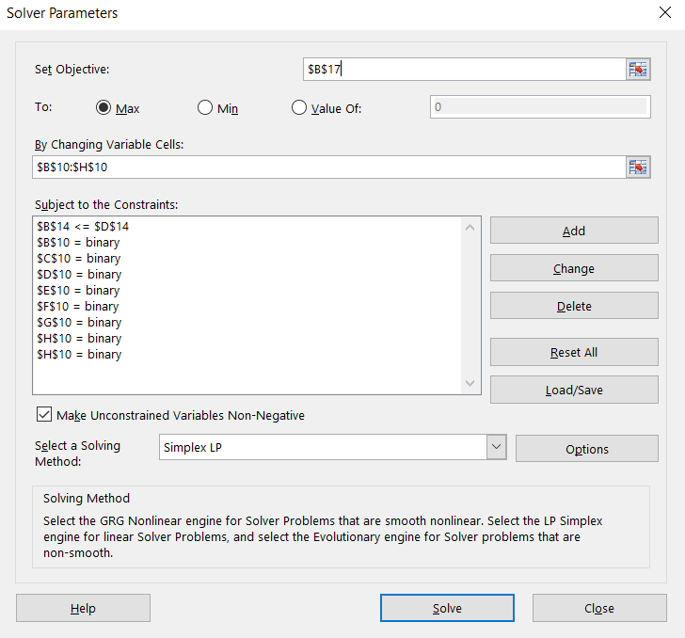

1

2

3

5. A solver results box will prompt out, follow the setting below
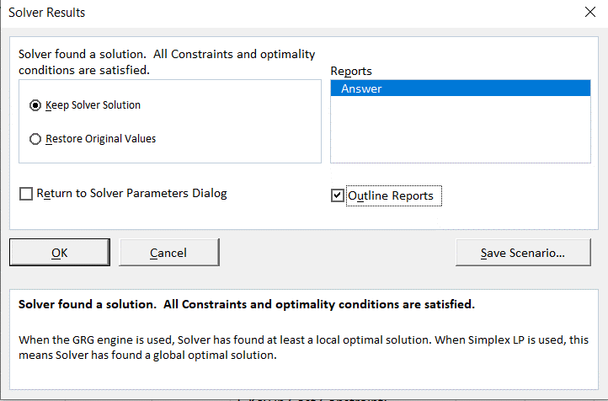

1

2

3

6. You will see your answer report

